Competitors and Tradenames
Competitors for Alum and PAC
 |  |  |  |  | Alum codes start with ALUSUL
 |  |  |  |  | ACH codes start with PAC23
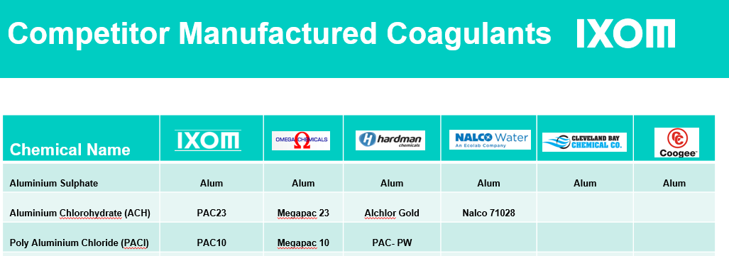
 |  |  |  |  | PAC codes start with PAC10
 |  |  |  |  |  | for all units
 |  |  |  | ACH 1 box = 1,000L = 1.34 tonne |  | 1 box = 1000 litres
 |  |  |  | PAC 1 box = 1,000L = 1.19 tonne |  | 1 drum = 200 litres
 |  |  |  |  |  | 1 poly = 15 litres

Competitors for Sodium Hypochlorite |  | Note all call it sodium hypochlorite | Codes start with SODHYP |  | Hypo 1 box = 1,000L = 1.2 tonne
Coogee Chemicals
Omega Chemicals

Competitors for MHL/ Magnesium Hydroxide Liquid |  |  | Codes start with MHL |  | MHL 1 box = 1,000L = 1.5 tonne

Producer | Product Name
Ixom | Sulfalock
Calix | Acti-Mag
Grenof | Phodine

